SAMPLE
Chapter Internal Grant Program Submission
WWA Chapter: | Waukesha County | Chapter Representative: |  | Mike Alaimo
Submission Date: | 2022-06-04 | Phone #: |  | 262-443-4674
Project Timing: | Q3 to Q4 2022 | Email: |  | malaimo73@gmail.com

Project Scope: | Install Anti-Vehicle Fencing on Paradise Valley WA at two parking lots within the unit.
Project Description: | The project will involve the purchase and installation of cedar split rail fencing to reduce vehicle egress onto the WA from the parking lot. For the parking lot off of County D, lilacs and other brush will be removed that is currently servicing as a barrier. The current barrier blocks the view of the WA from the parking lot and encourages partying and trash accumulation on the property. At the parking lot for the Bark River unit, vehicles have worn a path between parking lots instead of reversing. The fence in this situation will prevent this behavior from occurring in the future. Both projects will enhance and beautify the areas scoped in this project, while directly impacting the behaviors of users.
County D Parking Lot Egress |  | Bark River Unit Parking Lot
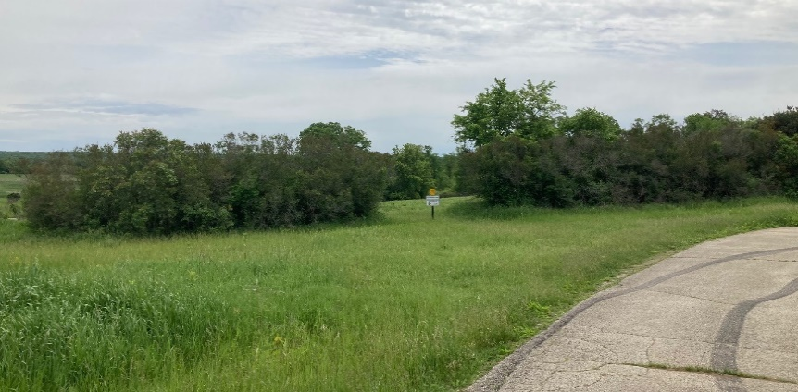 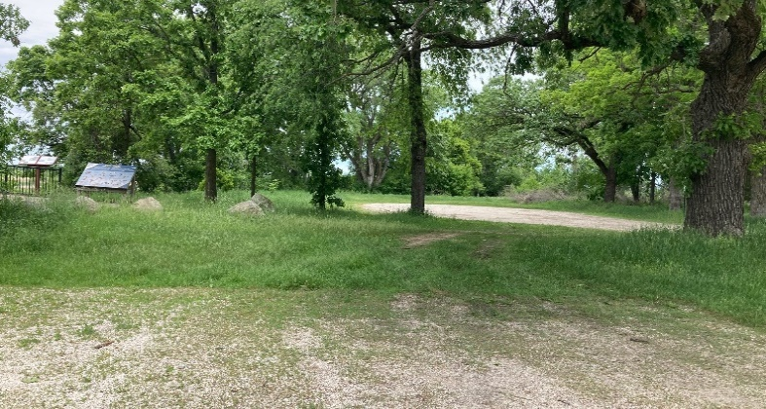
WWA Mission: | Habitat | Supporting the AWA program at Paradise Valley WA
Project Costs: | Materials: | Quantity: | Cost Each: |  | Total Cost:
 | Cedar Split Rail | 24 | $16.00 |  | $384.00
 | Cedar Split Rail Posts | 17 | $18.00 |  | $306.00
 | Auger Rental (24 hours) | 1 | $115.00 |  | $115.00
 | Element 3A | 1 | $180.00 |  | $180.00
 | Gas (Gallon) | 7 | $5.50 |  | $38.50
 | WWA Small Project Sign | 2 | $- |  | $-
 | Total Cost: |  |  |  | $1,023.50
Schedule: | Completion Before Oct 2022 | Estimated work hours |  | 20 Hours Labor

